IPGRI Descriptor List 2000
Class |  |  | trait_name | units
Characterisation | Plant | Vegetative | Growth habit | multi | Multigrade (multi-state) descriptor values need to be entered (into CropStore)
Characterisation | Plant | Vegetative | Terminal leaflet shape | multi
Characterisation | Plant | Vegetative | Colour of fully expanded terminal leaflet | multi
Characterisation | Plant | Vegetative | Stem hairiness | multi
Characterisation | Plant | Vegetative | Photoperiodic reaction type | multi
Characterisation | Plant | Flower | Number of days from sowing to first flowering | day | surprising that they think this is not influenced by environment
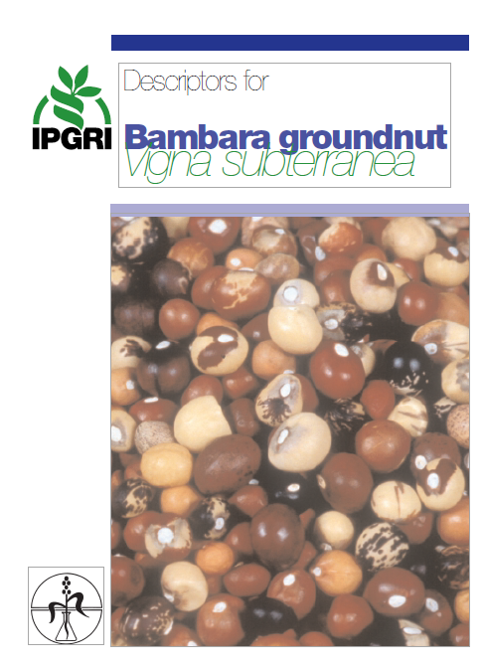
Characterisation | Plant | Flower | Number of days from sowing to 50% flowering | day
Characterisation | Plant | Flower | Banner length | mm
Characterisation | Plant | Flower | Dark pigmentation on wings and banner | multi
Characterisation | Plant | Fruit | Pod shape | multi
Characterisation | Plant | Fruit | Pod colour | multi
Characterisation | Plant | Fruit | Pod texture | multi
Characterisation | Plant | Seed | Seed shape | multi
Characterisation | Plant | Seed colour pattern | Testa with pure colour, without eye pattern around hilium | multi
Characterisation | Plant | Seed colour pattern | Testa with pure colour with an eye pattern around hilium | multi
Characterisation | Plant | Seed colour pattern | Testa with mixed colour, with or without eye pattern around hilium | multi
Evaluation | Plant | Vegetative | Peduncle length | mm
Evaluation | Plant | Vegetative | Number of flowers per peduncle | n
Evaluation | Plant | Vegetative | Number of leaves | n
Evaluation | Plant | Vegetative | Terminal leaflet length | mm
Evaluation | Plant | Vegetative | Petiole length | mm
Evaluation | Plant | Vegetative | Plant spread | cm
Evaluation | Plant | Vegetative | Plant height | cm
Evaluation | Plant | Vegetative | Nodulation capacity | multi
Evaluation | Plant | Vegetative | Iinternode length | mm
Evaluation | Plant | Vegetative | Number of nodes per stem | n
Evaluation | Plant | Vegetative | Number of branches per stem | n
Evaluation | Plant | Vegetative | Number of stems per plant | n
Evaluation | Plant | Vegetative | Number of days from planting to maturity | day
Evaluation | Plant | Yield | Pod length | mm
Evaluation | Plant | Yield | Pod width | mm
Evaluation | Plant | Yield | Shell thickness | 1/100mm
Evaluation | Plant | Yield | Shelling percentage | %
Evaluation | Plant | Yield | Number of pods per plant | n
Evaluation | Plant | Yield | Number of seeds per pod | n
Evaluation | Plant | Yield | 100-seed weight per pod | g
Evaluation | Plant | Yield | Yield | g/m2
Evaluation | Plant | Yield | Seed length | mm
Evaluation | Plant | Yield | Seed width | mm
Evaluation | Plant | Quality | Protein content | %DW
Evaluation | Plant | Quality | Fat content | %DW
Evaluation | Plant | Quality | Carbohydrate content | %DW
Evaluation | Abiotic stress susceptibility |  | Reaction to low temperature | multi
Evaluation | Abiotic stress susceptibility |  | Reaction to drought | multi | common names
Evaluation | Biotic stress susceptibility | Fungi | Alternaria alternata | multi | Leaf spot
Evaluation | Biotic stress susceptibility | Fungi | Ascochyta phaseolorum | multi | Blight
Evaluation | Biotic stress susceptibility | Fungi | Cercospora canescens | multi | Leaf spot
Evaluation | Biotic stress susceptibility | Fungi | Didymella pinodes | multi | Leaf spot
Evaluation | Biotic stress susceptibility | Fungi | Fusarium oxysporum | multi | Wilt
Evaluation | Biotic stress susceptibility | Fungi | Phyllosticta voandzeiae | multi | Leaf spot
Evaluation | Biotic stress susceptibility | Fungi | Sclerotium rolfsii | multi | Root rot
Evaluation | Biotic stress susceptibility | Fungi | Sphaerotheca voandzeiae | multi | Powdery mildew
Evaluation | Biotic stress susceptibility | Viruses | Bean common mosaic virus | multi | BCMV
Evaluation | Biotic stress susceptibility | Viruses | Cowpea aphid-borne mosaic virus | multi | CABMV
Evaluation | Biotic stress susceptibility | Viruses | Cowpea mild mottle virus | multi | CPMMV
Evaluation | Biotic stress susceptibility | Viruses | Cowpea mosaic virus | multi | CPMV
Evaluation | Biotic stress susceptibility | Viruses | Cowpea mottle virus | multi | CPMoV
Evaluation | Biotic stress susceptibility | Viruses | Cucumber mosaic virus | multi | CMV
Evaluation | Biotic stress susceptibility | Viruses | Peanut mottle virus | multi | PeMoV
Evaluation | Biotic stress susceptibility | Viruses | Bean southern mosaic virus | multi | BSMV
Evaluation | Biotic stress susceptibility | Viruses | Voandzeia necrotic mosaic virus | multi | VNMV
Evaluation | Biotic stress susceptibility | Insects | Agonoscelis sp. | multi | Sucking bug
Evaluation | Biotic stress susceptibility | Insects | Araecerus fasciculatus | multi | Cocoa weevil
Evaluation | Biotic stress susceptibility | Insects | Bruchidius atrolineatus | multi | Bruchid
Evaluation | Biotic stress susceptibility | Insects | Callosobruchus chinensis | multi | Chinese bruchid
Evaluation | Biotic stress susceptibility | Insects | Callosobruchus maculatus | multi | Cowpea weevil
Evaluation | Biotic stress susceptibility | Insects | Clavigralla tomentosicollis | multi | Bean bug
Evaluation | Biotic stress susceptibility | Nematodes | Meloidogyne spp. | multi | Root knot nematod
 |  |  |  | multi

